Dashboard
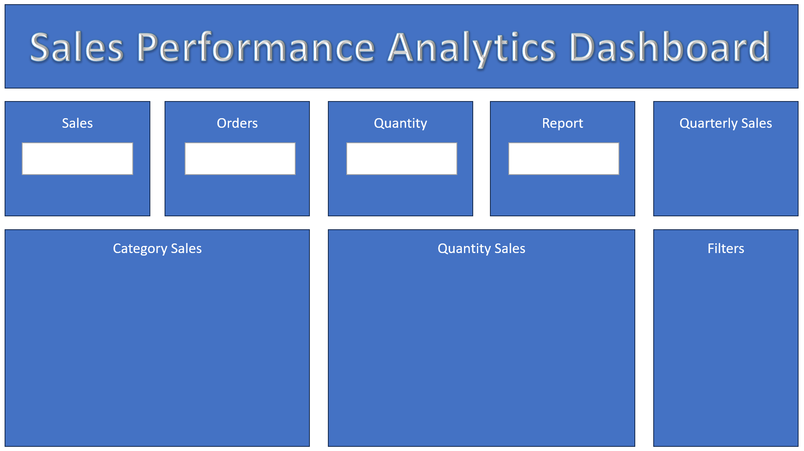

 | Total
Qtr1 | 286190
Qtr2 | 223260
Qtr3 | 460580
Qtr4 | 105540

₹ 10,75,570
107
473
₹ 1,07,557

